Cover
Models for Hospital Beds and COVID 19
Date March 15, 2020
Advanced Analytics and Research Lab

CHIME Model
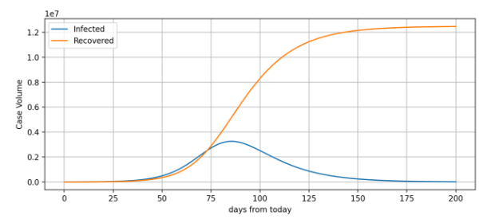
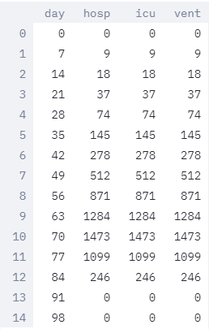
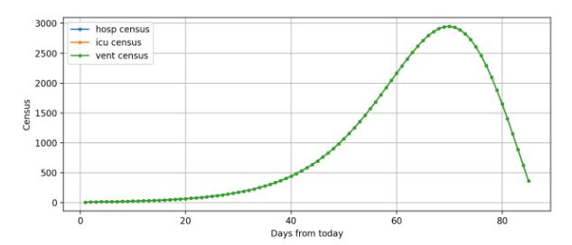
https://pennchime.herokuapp.com/ | As of March 16 | Admitted Patients | Moderate Scenario
 | Ontario
Currently Known Regional Infections | 177.00
Currently Hospitalized COVID-19 Patients | 50.00
Doubling Time (days) | 7.00
Hospitalization % | 13.00
ICU % | 13.00
Ventilated % | 13.00
Hospital LOS | 2.00
ICU LOS | 2.00
Vent LOS | 2.00
Hospital Market Share (%) | 10.00
Regional Population | 14,570,000.00

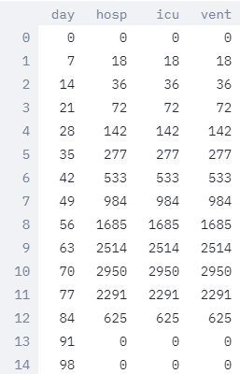
 |  | New Admissions |  | Moderate Scenario
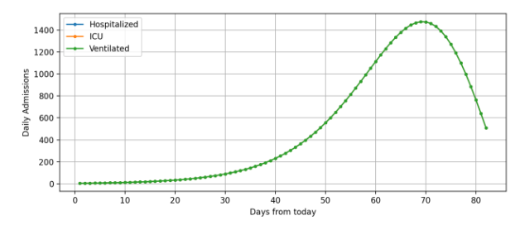

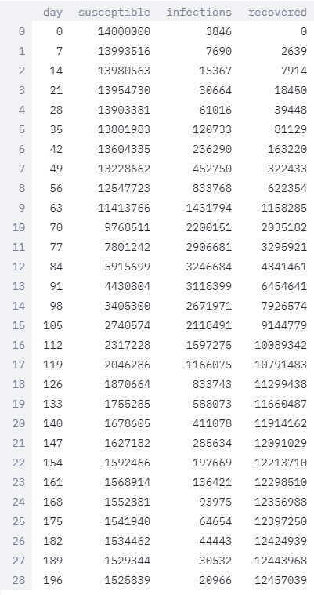
 |  | Recoveries vs Infected |  | Moderate Scenario

